Sheet1
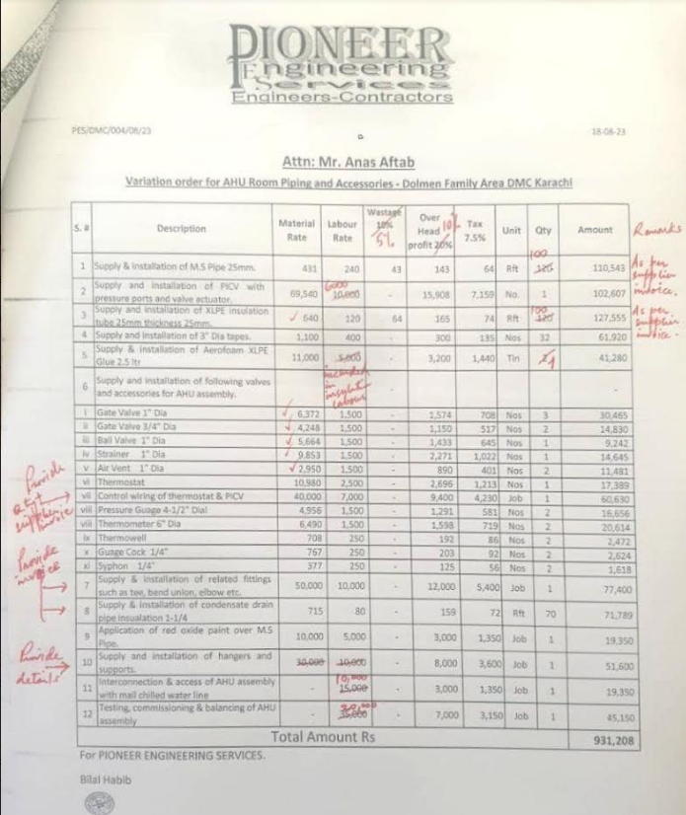
Variation order for AHU Room Piping and Accessories - Dolmen Family Area DMC Karachi
 |  |  |  |  |  |  |  |  |  | Total Construction
S. # | Description | Material Rate | Labour Rate | Waste 05% | Over Head profit 10% | Tax 7.5% | Unit | Qty | Amount | 1.175
1 | Supply & installation of M.S Pipe 25mm | 506 | 282 | 25.32 | 81 | 67 | Rft | 120 | 115,471
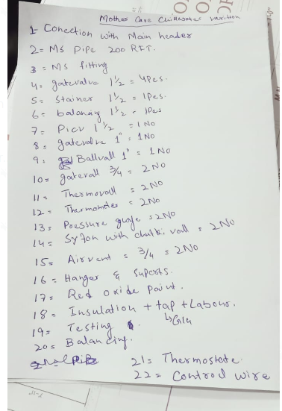
2 | Supply & installation of PICV 25mm with Pressure ports and valve actuator. | 81,710 | 17,625 | - | 9,933.45 | 8,195 | No. | 1 | 117,463
3 | Supply and installation of Room Thermostat | 15,052 | 2,938 | - | 1,798.93 | 1,484 | Nos | 2 | 42,545
4 | Control wiring of thermostat & PICV (1.5mm 3 core) | 112 | 82 | - | 19.39 | 16 | Rft | 65 | 14,902
5 | Supply and installation of XLPE insulation tube 25mm thickness 25mm | 752 | 141 | 37.60 | 93 | 77 | Rft | 120 | 132,052
6 | Supply and installation of 3" Dia tapes. | 1,410 | 470 | - | 188 | 155 | Nos | 32 | 71,139.20
7 | Supply & installation of Aerofoam XLPE Glue 2.5 ltr | 12,925 | 5,875 | - | 1,880 | 1,551 | Tin | 2 | 44,462
8 | Supply and installation of following valves and accessories for AHU assembly. |  |  | - | - |  |  |  | -
* | Gate Valve 1" Dia | 7,487 | 1,763 | - | 924.96 | 763 | Nos | 4 | 43,751
* | Gate Valve 3/4" Dia | 4,991 | 1,763 | - | 675.39 | 557 | Nos | 2 | 15,973
* | Ball Valve 1" Dia | 6,655 | 1,763 | - | 841.77 | 694 | Nos | 1 | 9,954
* | Strainer 1" Dia | 11,577 | 1,763 | - | 1,333.98 | 1,101 | Nos | 1 | 15,774
* | Air Vent 3/4" Dia | 3,466 | 1,763 | - | 522.88 | 431 | Nos | 2 | 12,366
* | Pressure Guage 4-1/2" Dial | 5,823 | 1,763 | - | 758.58 | 626 | Nos | 2 | 17,940
* | Thermometer 6" Dia | 7,626 | 15,001 | - | 2,262.69 | 1,867 | Nos | 2 | 53,513
* | Syphon 1/4" | 443 | 294 | - | 73.67 | 61 | Nos | 2 | 1,742
* | Guage Cock 1/4" | 901 | 294 | - | 119.50 | 99 | Nos | 2 | 2,826
* | Thermowell | 832 | 294 | - | 112.57 | 93 | Nos | 2 | 2,662
* | Balancing Valve 1" Dia | 13,336 | 2,350 | - | 1,568.63 | 1,294 | Nos | 1 | 18,549
9 | Supply & installation of related fittings such as tee, bend union, elbow etc. | 24,781 | 8,813 | - | 3,359.33 | 2,771 | Job | 1 | 39,724
10 | Supply & installation of condensate drain pipe insulation 1-1/4 | 840 | 94 | - | 93.41 | 77 | Rft | 70 | 77,322
11 | Application of red oxide paint over M.S Pipe. | 11,750 | 5,875 | - | 1,762.50 | 1,454 | Job | 1 | 20,842
12 | Supply and installation of hangers and supports such as pipe supports, anchor bolt, hanging clips and rods. | 35,250 | 11,750 | - | 4,700 | 3,878 | Job | 1 | 55,577.50
13 | Interconnection & access of AHU assembly with mall chilled water line | - | 17,625 | - | 1,762.50 | 1,454 | Job | 1 | 20,842
14 | Testing, commissioning & balancing of AHU assembly | - | 41,125 | - | 4,112.50 | 3,393 | Job | 1 | 48,630
Total Amount Rs |  |  |  |  |  |  |  |  | 996,021 | OK | 821031
For PIONEER ENGINEERING SERVICES. |  |  |  |  |  |  |  |  |  |  | 964711.425

Bilal Habib

